LDBOND
LIC MF BOND FUND |  |  |  |  |  |  | Index

Monthly Portfolio Statement as on March 31,2023
Name of the Instrument | ISIN | Industry / Rating | Quantity | Market/Fair Value (Rounded, Rs. In Lacs) | Rounded, % to Net Assets | Yield

Debt Instruments
(a)Listed / Awaiting listing on stock Exchanges
7.7% State Government of Maharashtra | IN2220220205 | SOVEREIGN | 4,000,000.000 | 4,041.71 | 33.97% | 7.76%
7.26% Government of India | IN0020220060 | SOVEREIGN | 3,750,000.000 | 3,765.55 | 31.65% | 7.45%
7.64% State Government of Maharashtra | IN2220220114 | SOVEREIGN | 1,500,000.000 | 1,502.75 | 12.63% | 7.77%
8.0% Housing Development Finance Corp Ltd. ** | INE001A07TO8 | CRISIL AAA | 100.000 | 1,056.25 | 8.88% | 7.96%
7.82% State Government of Gujarat | IN1520220030 | SOVEREIGN | 500,000.000 | 515.76 | 4.33% | 7.79%
7.86% State Government of Haryana | IN1620220112 | SOVEREIGN | 400,000.000 | 413.98 | 3.48% | 7.78%
Sub Total |  |  |  | 11,296.00 | 94.94%

(b)Privately Placed/Unlisted
Sub Total |  |  |  | NIL | NIL

(c)Securitised Debt Instruments
Sub Total |  |  |  | NIL | NIL

TOTAL |  |  |  | 11,296.00 | 94.94%

Treps / Reverse Repo
Treps |  |  |  | 1,252.57 | 10.53%
Sub Total |  |  |  | 1,252.57 | 10.53%

TOTAL |  |  |  | 1,252.57 | 10.53%
Net Receivables / (Payables) |  |  |  | (650.47) | (5.47%)
GRAND TOTAL |  |  |  | 11,898.10 | 100.00%

** Non Traded Security

The product is suitable for investors who are seeking* | Riskometer - Scheme | First Tier Benchmark | Riskometer - First Tier Benchmark
LIC MF Bond Fund | 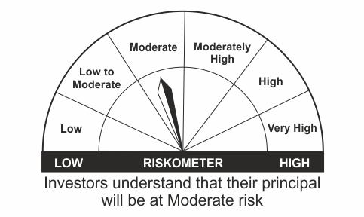 |  | 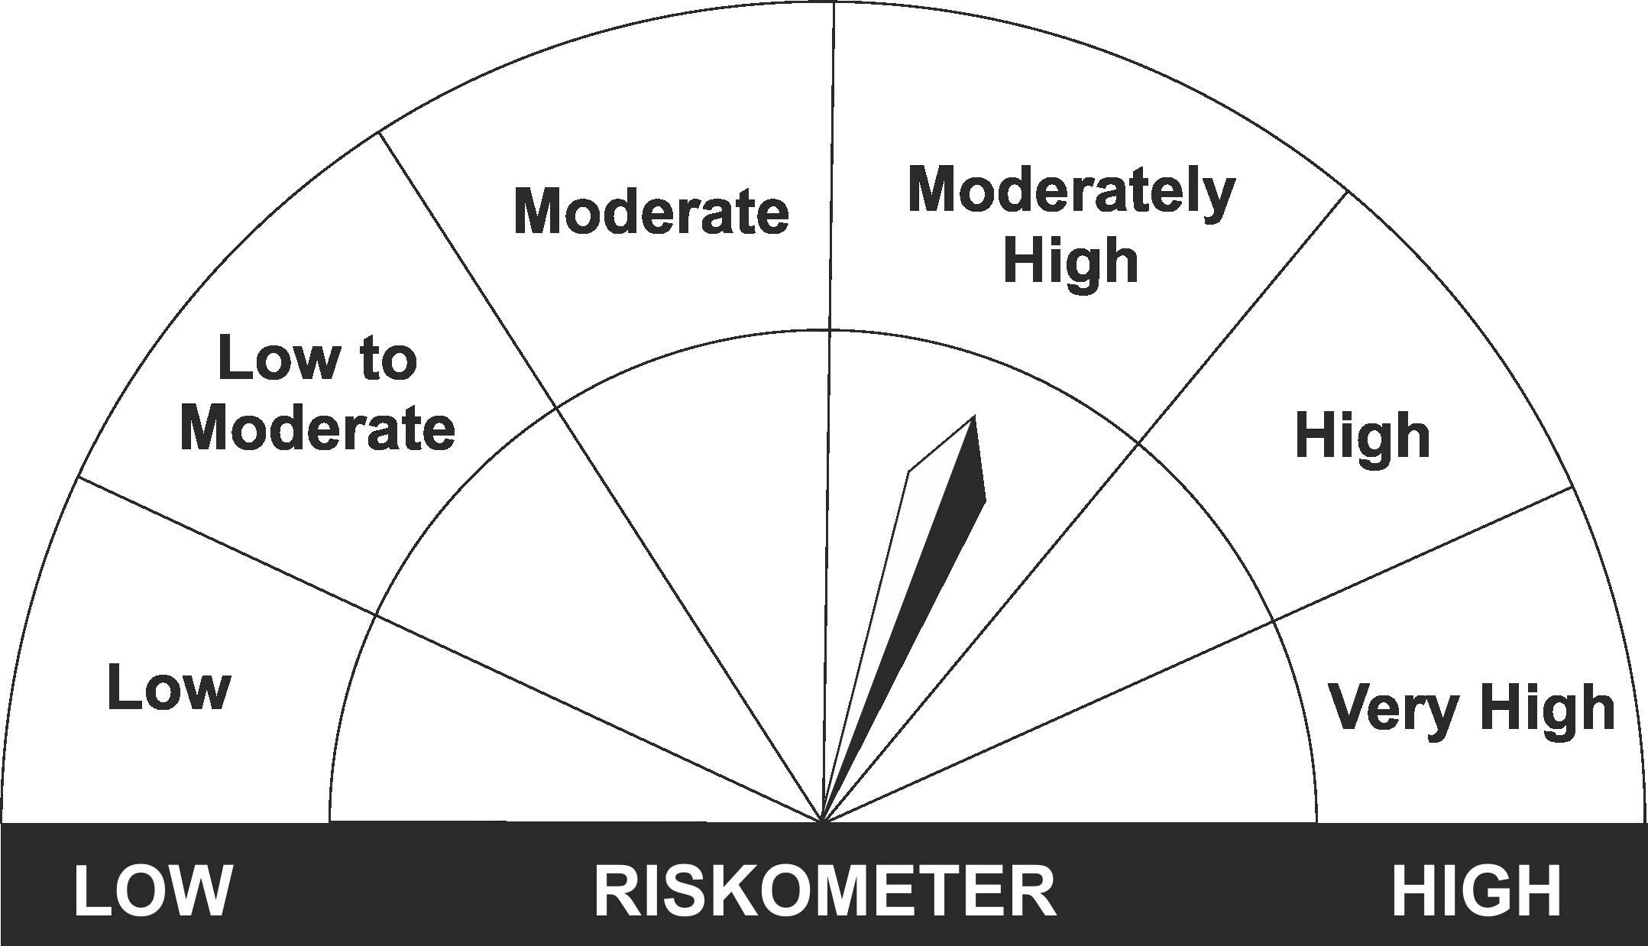
•Income Over Medium to long term |  | CRISIL Medium to Long Duration Fund BIII Index
•To generate income/capital appreciation through investments in Debt / Money Market Instruments
•Risk – Moderate |  | •Risk - Moderately High

*Investors should consult their financial advisers if in doubt about whether the product is suitable for them.
Mutual Fund investments are subject to market risks, read all scheme related documents carefully.

 | Potential Risk Class
LIC MF Bond Fund | Credit Risk | Relatively Low (Class A) | Moderate (Class B) | Relatively High (Class C)
 | Interest Rate Risk
 | Relatively Low (Class I)
 | Moderate (Class II)
 | Relatively High (Class III) |  | B-III

 | Portfolio Information
Scheme Name : | LIC MF Bond Fund
Description (if any) | Medium to Long Duration Fund
Annualised Portfolio YTM* : | 7.62
Macaulay Duration | 6.57
Residual Maturity | 8.89
As on (Date) | 31st March 2023

LDGETF
LIC MF NIFTY 8-13 YR G-SEC ETF | NSE Symbol: LICNETFGSC |  |  |  |  |  | Index

Monthly Portfolio Statement as on March 31,2023
Name of the Instrument | ISIN | Industry / Rating | Quantity | Market/Fair Value (Rounded, Rs. In Lacs) | Rounded, % to Net Assets | Yield

Debt Instruments
(a)Listed / Awaiting listing on stock Exchanges
7.26% Government of India | IN0020220060 | SOVEREIGN | 60,500,000.000 | 60,741.11 | 62.83% | 7.45%
6.54% Government of India | IN0020210244 | SOVEREIGN | 29,000,000.000 | 27,914.98 | 28.87% | 7.47%
7.26% Government of India | IN0020220151 | SOVEREIGN | 7,500,000.000 | 7,555.29 | 7.81% | 7.44%
Sub Total |  |  |  | 96,211.38 | 99.51%

(b)Privately Placed/Unlisted
Sub Total |  |  |  | NIL | NIL

(c)Securitised Debt Instruments
Sub Total |  |  |  | NIL | NIL

TOTAL |  |  |  | 96,211.38 | 99.51%

Treps / Reverse Repo
Treps |  |  |  | 99.28 | 0.10%
Sub Total |  |  |  | 99.28 | 0.10%

TOTAL |  |  |  | 99.28 | 0.10%
Net Receivables / (Payables) |  |  |  | 371.00 | 0.39%
GRAND TOTAL |  |  |  | 96,681.66 | 100.00%

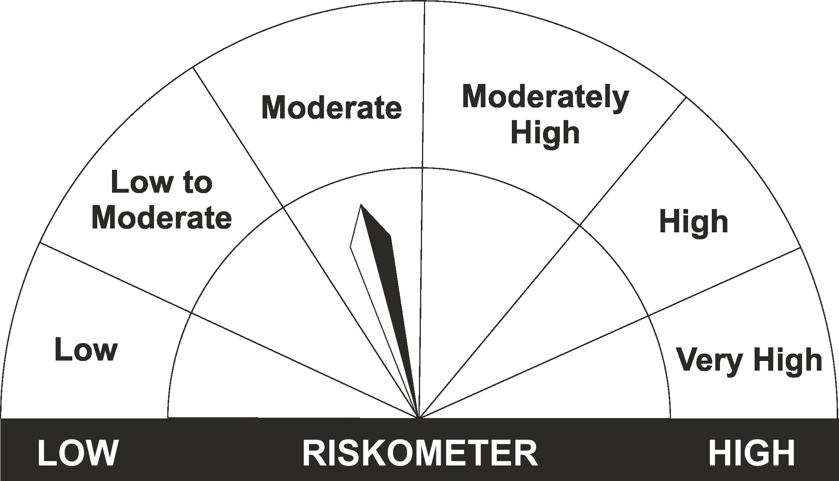
The product is suitable for investors who are seeking* | Riskometer - Scheme | First Tier Benchmark | Riskometer - First Tier Benchmark
LIC MF Nifty 8-13 yr G-Sec ETF
•Medium to long term regular Income. |  | Nifty 8-13 yr G-Sec
•Investment in securities in line with Nifty 8- 13 Yr G-Sec Index to generate comparable returns subject to tracking error.
•Risk - Moderate |  | •Risk - Moderate

*Investors should consult their financial advisers if in doubt about whether the product is suitable for them.
Mutual Fund investments are subject to market risks, read all scheme related documents carefully.

 | Potential Risk Class
LIC MF NIFTY 8-13 YR G-SEC ETF | Credit Risk | Relatively Low (Class A) | Moderate (Class B) | Relatively High (Class C)
 | Interest Rate Risk
 | Relatively Low (Class I)
 | Moderate (Class II)
 | Relatively High (Class III) | A-III

 | Portfolio Information
Scheme Name : | LIC MF Nifty 8-13 yr G-Sec ETF
Description (if any) | Other ETFs
Annualised Portfolio YTM* : | 7.44
Macaulay Duration | 6.82
Residual Maturity | 9.00
As on (Date) | 31st March 2023

LDINPF
LIC MF BANKING & PSU DEBT FUND |  |  |  |  |  |  | Index

Monthly Portfolio Statement as on March 31,2023
Name of the Instrument | ISIN | Industry / Rating | Quantity | Market/Fair Value (Rounded, Rs. In Lacs) | Rounded, % to Net Assets | Yield

Debt Instruments
(a)Listed / Awaiting listing on stock Exchanges
7.26% Government of India | IN0020220060 | SOVEREIGN | 13,950,000.000 | 14,007.08 | 12.35% | 7.45%
6.88% REC Ltd. ** | INE020B08CK8 | CRISIL AAA | 1,000.000 | 9,935.81 | 8.76% | 7.58%
7.38% Government of India | IN0020220037 | SOVEREIGN | 6,800,000.000 | 6,988.22 | 6.16% | 7.31%
6.19% Indian Railway Finance Corporation Ltd. | INE053F07CC9 | CRISIL AAA | 500.000 | 5,292.62 | 4.67% | 7.59%
7.25% Small Industries Development Bk of India ** | INE556F08KA6 | ICRA AAA | 500.000 | 5,204.44 | 4.59% | 7.62%
7.75% Small Industries Development Bk of India ** | INE556F08KD0 | ICRA AAA | 500.000 | 5,192.49 | 4.58% | 7.61%
7.39% Bank of Baroda ** | INE028A08281 | ICRA AAA | 500.000 | 5,179.95 | 4.57% | 7.58%
7.89% Power Grid Corporation of India Ltd. ** | INE752E07OE0 | CRISIL AAA | 500.000 | 5,085.06 | 4.48% | 7.52%
7.4% National Bk for Agriculture & Rural Dev. | INE261F08DO9 | CRISIL AAA | 500.000 | 5,028.94 | 4.43% | 7.65%
4.5% Oil & Natural Gas Corporation Ltd. ** | INE213A08040 | ICRA AAA | 500.000 | 4,920.79 | 4.34% | 7.68%
5.32% National Housing Bank | INE557F08FK3 | CRISIL AAA | 450.000 | 4,662.25 | 4.11% | 7.41%
6.55% NTPC Ltd. ** | INE733E08148 | CRISIL AAA | 400.000 | 4,248.66 | 3.75% | 7.55%
5.8% National Housing Bank ** | INE557F08FJ5 | CRISIL AAA | 250.000 | 2,622.06 | 2.31% | 7.51%
7.34% Power Grid Corporation of India Ltd. ** | INE752E08569 | CRISIL AAA | 250.000 | 2,618.37 | 2.31% | 7.71%
6.09% Housing & Urban Development Corp Ltd. ** | INE031A08780 | ICRA AAA | 250.000 | 2,610.22 | 2.30% | 7.01%
7.12% Hindustan Petroleum Corporation Ltd. ** | INE094A08127 | CRISIL AAA | 250.000 | 2,601.93 | 2.29% | 7.58%
7.25% National Bk for Agriculture & Rural Dev. ** | INE261F08DQ4 | CRISIL AAA | 250.000 | 2,600.89 | 2.29% | 7.67%
5.84% Indian Oil Corporation Ltd. | INE242A08510 | CRISIL AAA | 250.000 | 2,594.92 | 2.29% | 7.60%
7.59% Power Finance Corporation Ltd. ** | INE134E08LU1 | CRISIL AAA | 250.000 | 2,574.65 | 2.27% | 7.61%
7.2% National Bk for Agriculture & Rural Dev. ** | INE261F08DR2 | ICRA AAA | 250.000 | 2,570.22 | 2.27% | 7.67%
7.59% Power Finance Corporation Ltd. | INE134E08LX5 | CRISIL AAA | 250.000 | 2,550.53 | 2.25% | 7.61%
4.64% Oil & Natural Gas Corporation Ltd. ** | INE213A08032 | ICRA AAA | 250.000 | 2,508.91 | 2.21% | 7.41%
7.7% State Government of Maharashtra | IN2220220205 | SOVEREIGN | 2,000,000.000 | 2,020.85 | 1.78% | 7.76%
6.44% Indian Oil Corporation Ltd. ** | INE242A08445 | CRISIL AAA | 150.000 | 1,519.86 | 1.34% | 7.32%
7.34% GAIL (India) Ltd. ** | INE129A08014 | CARE AAA | 150.000 | 1,518.70 | 1.34% | 7.54%
7.15% Small Industries Development Bk of India ** | INE556F08JY8 | ICRA AAA | 100.000 | 1,050.35 | 0.93% | 7.62%
5.63% Government of India | IN0020210012 | SOVEREIGN | 50,000.000 | 49.27 | 0.04% | 7.28%
Sub Total |  |  |  | 107,758.04 | 95.01%

(b)Privately Placed/Unlisted
Sub Total |  |  |  | NIL | NIL

(c)Securitised Debt Instruments
Sub Total |  |  |  | NIL | NIL

TOTAL |  |  |  | 107,758.04 | 95.00%

Money Market Instruments

Certificate of Deposit
State Bank of India # | INE062A16465 | ICRA A1+ | 1,000.000 | 4,842.26 | 4.27% | 7.25%
Sub Total |  |  |  | 4,842.26 | 4.27%

TOTAL |  |  |  | 4,842.26 | 4.27%

Treps / Reverse Repo
Treps |  |  |  | 846.52 | 0.75%
Sub Total |  |  |  | 846.52 | 0.75%

TOTAL |  |  |  | 846.52 | 0.75%
Net Receivables / (Payables) |  |  |  | (23.19) | (0.02%)
GRAND TOTAL |  |  |  | 113,423.63 | 100.00%

# Unlisted Security
** Non Traded Security

The product is suitable for investors who are seeking* | Riskometer - Scheme | First Tier Benchmark | Riskometer - First Tier Benchmark
LIC MF Banking & PSU Debt Fund | 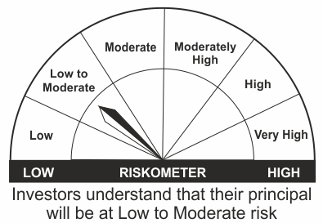
•Income for medium term capital appreciation with current income. |  | NIFTY Banking & PSU Debt Index
•An income fund that invests predominantly in debt and money market instruments issued by Banks, Public Sector Undertakings, Public Financial Institutions and Municipal Bonds
•Risk – Low to Moderate |  | •Risk - Moderate

*Investors should consult their financial advisers if in doubt about whether the product is suitable for them.
Mutual Fund investments are subject to market risks, read all scheme related documents carefully.

 | Potential Risk Class
LIC MF Banking & PSU Debt Fund | Credit Risk | Relatively Low (Class A) | Moderate (Class B) | Relatively High (Class C)
 | Interest Rate Risk
 | Relatively Low (Class I)
 | Moderate (Class II)
 | Relatively High (Class III) | A-III

 | Portfolio Information
Scheme Name : | LIC MF Banking & PSU Debt Fund
Description (if any) | Banking and PSU Fund
Annualised Portfolio YTM* : | 7.5
Macaulay Duration | 2.60
Residual Maturity | 3.08
As on (Date) | 31st March 2023

LDMIPF
LIC MF DEBT HYBRID FUND |  |  |  |  |  |  | Index

Monthly Portfolio Statement as on March 31,2023
Name of the Instrument | ISIN | Industry / Rating | Quantity | Market/Fair Value (Rounded, Rs. In Lacs) | Rounded, % to Net Assets | Yield
Equity & Equity related
(a)Listed / Awaiting listing on Stock Exchanges
ICICI Bank Ltd. | INE090A01021 | Banks | 39,694.000 | 348.22 | 5.70%
Infosys Ltd. | INE009A01021 | IT - Software | 19,352.000 | 276.34 | 4.52%
HDFC Bank Ltd. | INE040A01034 | Banks | 8,307.000 | 133.71 | 2.19%
Hindustan Unilever Ltd. | INE030A01027 | Diversified FMCG | 4,733.000 | 121.18 | 1.98%
Nestle India Ltd. | INE239A01016 | Food Products | 571.000 | 112.51 | 1.84%
Reliance Industries Ltd. | INE002A01018 | Petroleum Products | 4,460.000 | 103.96 | 1.70%
Mahindra & Mahindra Ltd. | INE101A01026 | Automobiles | 8,441.000 | 97.81 | 1.60%
LTIMindtree Ltd. | INE214T01019 | IT - Software | 1,595.000 | 75.92 | 1.24%
Bharti Airtel Ltd. | INE397D01024 | Telecom - Services | 7,246.000 | 54.27 | 0.89%
Tech Mahindra Ltd. | INE669C01036 | IT - Software | 4,830.000 | 53.22 | 0.87%
Bharti Airtel Ltd. PARTLY PAID UP FV 1.25 | IN9397D01014 | Telecom - Services | 642.000 | 2.35 | 0.04%
Sub Total |  |  |  | 1,379.49 | 22.58%
(b) Unlisted
Sub Total |  |  |  | NIL | NIL

TOTAL |  |  |  | 1,379.49 | 22.58%

Debt Instruments
(a)Listed / Awaiting listing on stock Exchanges
7.38% Government of India | IN0020220037 | SOVEREIGN | 950,000.000 | 976.30 | 15.98% | 7.31%
7.1% Government of India | IN0020220011 | SOVEREIGN | 950,000.000 | 974.63 | 15.96% | 7.36%
7.59% Power Finance Corporation Ltd. | INE134E08LX5 | CRISIL AAA | 50.000 | 510.11 | 8.35% | 7.61%
8.3% Tata Capital Financial Services Ltd. ** | INE306N07NL3 | ICRA AAA | 500.000 | 503.21 | 8.24% | 8.20%
7.4% National Bk for Agriculture & Rural Dev. | INE261F08DO9 | CRISIL AAA | 50.000 | 502.89 | 8.23% | 7.65%
7.26% Government of India | IN0020220060 | SOVEREIGN | 450,000.000 | 451.84 | 7.40% | 7.45%
5.63% Government of India | IN0020210012 | SOVEREIGN | 300,000.000 | 295.65 | 4.84% | 7.28%
8.466803% NTPC Ltd. ** | INE733E07JP6 | CRISIL AAA | 49,895.833 | 4.86 | 0.08% | 7.51%
Sub Total |  |  |  | 4,219.49 | 69.08%

(b)Privately Placed/Unlisted
Sub Total |  |  |  | NIL | NIL

(c)Securitised Debt Instruments
Sub Total |  |  |  | NIL | NIL

TOTAL |  |  |  | 4,219.49 | 69.08%

Money Market Instruments

Certificate of Deposit
HDFC Bank Ltd. ** # | INE040A16DJ1 | CARE A1+ | 100.000 | 486.97 | 7.97% | 7.40%
Sub Total |  |  |  | 486.97 | 7.97%

TOTAL |  |  |  | 486.97 | 7.97%

Treps / Reverse Repo
Treps |  |  |  | 40.05 | 0.66%
Sub Total |  |  |  | 40.05 | 0.66%

TOTAL |  |  |  | 40.05 | 0.66%
Net Receivables / (Payables) |  |  |  | (17.77) | (0.29%)
GRAND TOTAL |  |  |  | 6,108.23 | 100.00%

# Unlisted Security
** Non Traded Security

The product is suitable for investors who are seeking* | Riskometer - Scheme | First Tier Benchmark | Riskometer - First Tier Benchmark
LIC MF Debt Hybrid Fund | 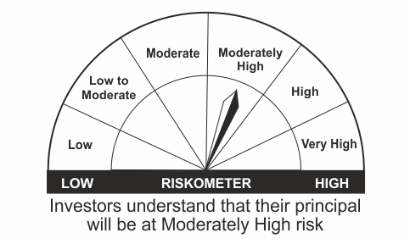
•Medium term capital appreciation with current income |  | CRISIL Hybrid 85+15 - Conservative Index
•A fund that invests predominantly in debt instruments with marginal equity exposure.
•Risk – Moderately High |  | •Risk - Moderately High

*Investors should consult their financial advisers if in doubt about whether the product is suitable for them.
Mutual Fund investments are subject to market risks, read all scheme related documents carefully.

LDONTF
LIC MF OVERNIGHT FUND |  |  |  |  |  |  | Index

Monthly Portfolio Statement as on March 31,2023
Name of the Instrument | ISIN | Industry / Rating | Quantity | Market/Fair Value (Rounded, Rs. In Lacs) | Rounded, % to Net Assets | Yield

Money Market Instruments

Commercial Paper
HDFC Securities Ltd. | INE700G14ED3 | CRISIL A1+ | 800.000 | 3,998.25 | 8.01% | 8.00%
Sub Total |  |  |  | 3,998.25 | 8.01%

Treasury Bill
91 DAYS TBILL RED 20-04-2023 | IN002022X429 | SOVEREIGN | 500,000.000 | 498.27 | 1.00% | 6.67%
Sub Total |  |  |  | 498.27 | 1.00%

TOTAL |  |  |  | 4,496.52 | 9.01%

Treps / Reverse Repo
Treps |  |  |  | 45,370.15 | 90.85%
Sub Total |  |  |  | 45,370.15 | 90.85%

TOTAL |  |  |  | 45,370.15 | 90.85%
Net Receivables / (Payables) |  |  |  | 70.21 | 0.14%
GRAND TOTAL |  |  |  | 49,936.88 | 100.00%

The product is suitable for investors who are seeking* | Riskometer - Scheme | First Tier Benchmark | Riskometer - First Tier Benchmark
LIC MF Overnight Fund |  |  | 
•Income with high levels of safety and liquidity over short term. |  | NIFTY 1D Rate Index
•Investment in debt and money market instruments with overnight maturity.
•Risk – Low to Moderate |  | •Risk – Low

*Investors should consult their financial advisers if in doubt about whether the product is suitable for them.
Mutual Fund investments are subject to market risks, read all scheme related documents carefully.

 | Potential Risk Class
LIC MF Overnight Fund | Credit Risk | Relatively Low (Class A) | Moderate (Class B) | Relatively High (Class C)
 | Interest Rate Risk
 | Relatively Low (Class I) | A-I
 | Moderate (Class II)
 | Relatively High (Class III)

 | Portfolio Information
Scheme Name : | LIC MF Overnight Fund
Description (if any) | Overnight Fund
Annualised Portfolio YTM* : | 6.85
Macaulay Duration | 0.01
Residual Maturity | 0.01
As on (Date) | 31st March 2023

LDUSTF
LIC MF ULTRA SHORT TERM FUND |  |  |  |  |  |  | Index

Monthly Portfolio Statement as on March 31,2023
Name of the Instrument | ISIN | Industry / Rating | Quantity | Market/Fair Value (Rounded, Rs. In Lacs) | Rounded, % to Net Assets | Yield

Money Market Instruments

Treasury Bill
364 DAYS TBILL RED 27-07-2023 | IN002022Z176 | SOVEREIGN | 1,000,000.000 | 978.35 | 34.93% | 6.90%
182 DAYS TBILL RED 06-07-2023 | IN002022Y419 | SOVEREIGN | 500,000.000 | 491.09 | 17.53% | 6.90%
182 DAYS TBILL RED 28-07-2023 | IN002022Y443 | SOVEREIGN | 500,000.000 | 489.08 | 17.46% | 6.90%
364 DAYS TBILL RED 24-08-2023 | IN002022Z218 | SOVEREIGN | 500,000.000 | 486.34 | 17.36% | 7.07%
Sub Total |  |  |  | 2,444.86 | 87.29%

TOTAL |  |  |  | 2,444.86 | 87.29%

Treps / Reverse Repo
Treps |  |  |  | 311.19 | 11.11%
Sub Total |  |  |  | 311.19 | 11.11%

TOTAL |  |  |  | 311.19 | 11.11%
Net Receivables / (Payables) |  |  |  | 44.85 | 1.60%
GRAND TOTAL |  |  |  | 2,800.90 | 100.00%

The product is suitable for investors who are seeking* | Riskometer - Scheme | First Tier Benchmark | Riskometer - First Tier Benchmark
LIC MF Ultra Short Term Fund | 
•Income over short term. |  | CRISIL Ultra Short Duration Fund BI Index
•Investment in Debt & Money Market Instruments such that the Macaulay Duration of the portfolio is between 3 months- 6 months.
•Risk – Low |  | •Risk - Moderate

*Investors should consult their financial advisers if in doubt about whether the product is suitable for them.
Mutual Fund investments are subject to market risks, read all scheme related documents carefully.

 | Potential Risk Class
LIC MF Ultra Short Term Fund | Credit Risk | Relatively Low (Class A) | Moderate (Class B) | Relatively High (Class C)
 | Interest Rate Risk
 | Relatively Low (Class I) |  | B-I
 | Moderate (Class II)
 | Relatively High (Class III)

 | Portfolio Information
Scheme Name : | LIC MF Ultra Short Term Fund
Description (if any) | Ultra Short Duration Fund
Annualised Portfolio YTM* : | 6.91
Macaulay Duration | 0.29
Residual Maturity | 0.29
As on (Date) | 31st March 2023

LLIQDF
LIC MF LIQUID FUND |  |  |  |  |  |  | Index

Monthly Portfolio Statement as on March 31,2023
Name of the Instrument | ISIN | Industry / Rating | Quantity | Market/Fair Value (Rounded, Rs. In Lacs) | Rounded, % to Net Assets | Yield

Debt Instruments
(a)Listed / Awaiting listing on stock Exchanges
5.7% Cholamandalam Investment & Fin Co Ltd. ** | INE121A07QA9 | ICRA AA+ | 400.000 | 4,191.87 | 0.83% | 7.87%
Sub Total |  |  |  | 4,191.87 | 0.83%

(b)Privately Placed/Unlisted
Sub Total |  |  |  | NIL | NIL

(c)Securitised Debt Instruments
Sub Total |  |  |  | NIL | NIL

TOTAL |  |  |  | 4,191.87 | 0.83%

Money Market Instruments

Certificate of Deposit
Bank of Maharashtra # | INE457A16IS7 | CRISIL A1+ | 4,000.000 | 19,840.10 | 3.91% | 7.17%
HDFC Bank Ltd. # | INE040A16DF9 | CARE A1+ | 4,000.000 | 19,831.74 | 3.91% | 7.04%
Bank of Baroda ** # | INE028A16CW1 | CRISIL A1+ | 3,500.000 | 17,384.15 | 3.43% | 7.15%
Canara Bank ** # | INE476A16UK9 | CRISIL A1+ | 2,500.000 | 12,330.10 | 2.43% | 6.99%
Indian Bank ** # | INE562A16LJ7 | FITCH A1+ | 2,000.000 | 9,991.79 | 1.97% | 7.50%
Bank of Baroda ** # | INE028A16CV3 | CRISIL A1+ | 2,000.000 | 9,982.25 | 1.97% | 7.21%
Canara Bank ** # | INE476A16UT0 | CRISIL A1+ | 2,000.000 | 9,968.50 | 1.96% | 7.21%
Canara Bank ** # | INE476A16UM5 | CRISIL A1+ | 2,000.000 | 9,915.79 | 1.95% | 7.05%
Canara Bank ** # | INE476A16VB6 | CRISIL A1+ | 2,000.000 | 9,912.00 | 1.95% | 7.05%
Punjab National Bank ** # | INE160A16NB3 | ICRA A1+ | 2,000.000 | 9,855.77 | 1.94% | 7.22%
Small Industries Development Bk of India ** # | INE556F16960 | CRISIL A1+ | 1,000.000 | 4,943.15 | 0.97% | 7.11%
Small Industries Development Bk of India ** # | INE556F16978 | CRISIL A1+ | 1,000.000 | 4,936.17 | 0.97% | 7.04%
Axis Bank Ltd. ** # | INE238AD6165 | CRISIL A1+ | 900.000 | 4,442.87 | 0.88% | 7.00%
Sub Total |  |  |  | 143,334.38 | 28.25%

Commercial Paper
Birla Group Holdings Pvt Ltd. ** | INE09OL14CQ3 | CRISIL A1+ | 7,500.000 | 37,025.70 | 7.30% | 7.92%
Tata Power Renewable Energy Ltd. ** | INE607M14996 | CRISIL A1+ | 4,000.000 | 19,918.16 | 3.93% | 7.89%
National Bk for Agriculture & Rural Dev. | INE261F14JO4 | CRISIL A1+ | 4,000.000 | 19,827.90 | 3.91% | 7.20%
Small Industries Development Bk of India ** | INE556F14IS0 | CRISIL A1+ | 4,000.000 | 19,822.26 | 3.91% | 7.12%
National Bk for Agriculture & Rural Dev. | INE261F14JJ4 | CRISIL A1+ | 4,000.000 | 19,743.82 | 3.89% | 7.07%
HDFC Securities Ltd. ** | INE700G14EF8 | CRISIL A1+ | 3,000.000 | 14,948.79 | 2.95% | 7.82%
Sikka Ports and Terminals Ltd. ** | INE941D14360 | CRISIL A1+ | 3,000.000 | 14,918.67 | 2.94% | 7.37%
ICICI Securities Ltd. ** | INE763G14OR0 | CRISIL A1+ | 2,000.000 | 9,920.82 | 1.96% | 7.47%
Housing Development Finance Corp Ltd. ** | INE001A14YV9 | CARE A1+ | 2,000.000 | 9,908.72 | 1.95% | 7.31%
Small Industries Development Bk of India ** | INE556F14IT8 | CRISIL A1+ | 2,000.000 | 9,901.57 | 1.95% | 7.11%
Small Industries Development Bk of India ** | INE556F14IU6 | CRISIL A1+ | 2,000.000 | 9,893.93 | 1.95% | 7.12%
National Bk for Agriculture & Rural Dev. ** | INE261F14JQ9 | CRISIL A1+ | 2,000.000 | 9,884.96 | 1.95% | 7.20%
Reliance Retail Ventures Ltd. ** | INE929O14982 | CRISIL A1+ | 2,000.000 | 9,884.17 | 1.95% | 7.25%
Reliance Retail Ventures Ltd. ** | INE929O14990 | CRISIL A1+ | 2,000.000 | 9,874.10 | 1.95% | 7.16%
Small Industries Development Bk of India | INE556F14IY8 | CRISIL A1+ | 2,000.000 | 9,854.32 | 1.94% | 7.10%
REDINGTON LIMITED ** | INE891D14XC9 | CRISIL A1+ | 2,000.000 | 9,836.61 | 1.94% | 7.48%
REDINGTON LIMITED ** | INE891D14XB1 | CRISIL A1+ | 1,900.000 | 9,342.90 | 1.84% | 7.49%
Network18 Media & Investments Ltd. ** | INE870H14PQ0 | ICRA A1+ | 1,500.000 | 7,414.52 | 1.46% | 7.25%
Small Industries Development Bk of India ** | INE556F14IZ5 | CRISIL A1+ | 1,400.000 | 6,890.10 | 1.36% | 7.10%
Sub Total |  |  |  | 258,812.02 | 51.01%

Treasury Bill
182 DAYS TBILL RED 22-06-2023 | IN002022Y393 | SOVEREIGN | 46,000,000.000 | 45,301.17 | 8.93% | 6.87%
91 DAYS TBILL RED 25-05-2023 | IN002022X478 | SOVEREIGN | 20,000,000.000 | 19,801.34 | 3.90% | 6.78%
182 DAYS TBILL RED 15-06-2023 | IN002022Y385 | SOVEREIGN | 16,500,000.000 | 16,271.81 | 3.21% | 6.83%
91 DAYS TBILL RED 11-05-2023 | IN002022X452 | SOVEREIGN | 14,282,900.000 | 14,178.79 | 2.79% | 6.70%
182 DAYS TBILL RED 08-06-2023 | IN002022Y377 | SOVEREIGN | 10,000,000.000 | 9,874.45 | 1.95% | 6.83%
364 DAYS TBILL RED 15-06-2023 | IN002022Z119 | SOVEREIGN | 6,000,000.000 | 5,917.02 | 1.17% | 6.83%
364 DAYS TBILL RED 22-06-2023 | IN002022Z127 | SOVEREIGN | 4,500,000.000 | 4,431.64 | 0.87% | 6.87%
Sub Total |  |  |  | 115,776.22 | 22.82%

TOTAL |  |  |  | 517,922.62 | 102.08%

Net Receivables / (Payables) |  |  |  | (14,781.11) | (2.91%)
GRAND TOTAL |  |  |  | 507,333.38 | 100.00%

# Unlisted Security
** Non Traded Security

LIC MF Arbitrage Fund has invested (inter scheme investments) in LIC MF Liquid Fund. Market value of such investments as on 31st March 2023 is 574.72 lacs.

The product is suitable for investors who are seeking* | Riskometer - Scheme | First Tier Benchmark | Riskometer - First Tier Benchmark
LIC MF Liquid Fund |  |  | 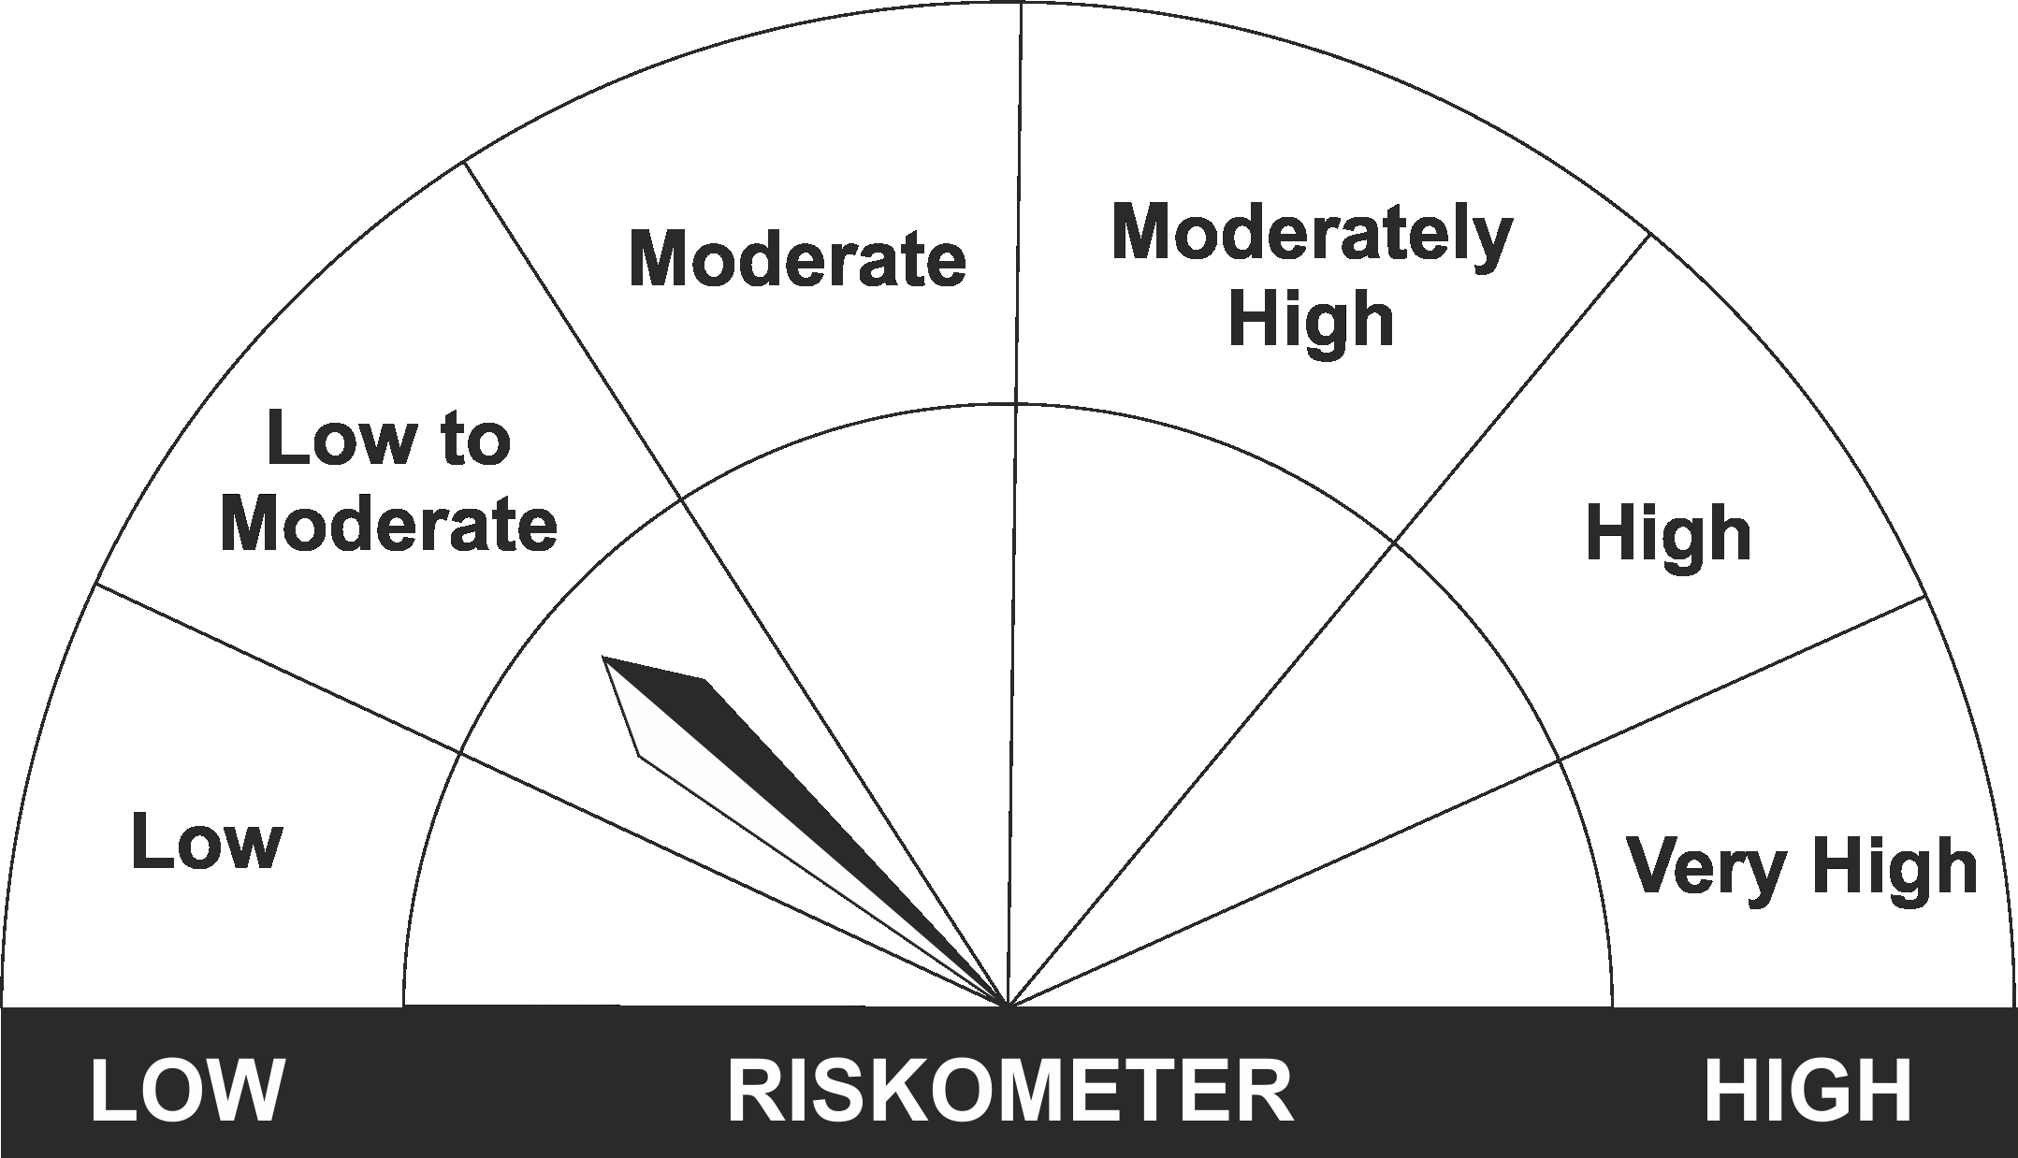
•Income for short term |  | CRISIL Liquid Fund BI Index
•Investment in Debt/Money Market Instruments with maturity of upto 91 days.
•Risk – Low to Moderate |  | •Risk – Low to Moderate

*Investors should consult their financial advisers if in doubt about whether the product is suitable for them.
Mutual Fund investments are subject to market risks, read all scheme related documents carefully.

 | Potential Risk Class
LIC MF Liquid Fund | Credit Risk | Relatively Low (Class A) | Moderate (Class B) | Relatively High (Class C)
 | Interest Rate Risk
 | Relatively Low (Class I) |  | B-I
 | Moderate (Class II)
 | Relatively High (Class III)

 | Portfolio Information
Scheme Name : | LIC MF Liquid Fund
Description (if any) | Liquid Fund
Annualised Portfolio YTM* : | 7.42
Macaulay Duration | 0.15
Residual Maturity | 0.15
As on (Date) | 31st March 2023

